Assessment
Assessment
Date: 27-04-22
Q.No | Question
Table-1 | EmployeeDetails

Table-2 | ProjectDetails
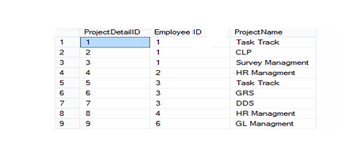

1 | Create 2 tables with the above mentioned records
2 | Get employee name, project name order by firstname from "EmployeeDetail" and "ProjectDetail" for those employee which have assigned project already.
3 | Get employee name, project name order by firstname from "EmployeeDetail" and "ProjectDetail" for all employee even they have not assigned project.
4 | Get all project name even they have not matching any employeeid, in left table, order by firstname from "EmployeeDetail" and "ProjectDetail".
5 | Get complete record(employeename, project name) from both tables([EmployeeDetail],[ProjectDetail]), if no match found in any table then show NULL.

